Bibliometric Publication years
2000 | 0
2001 | 0
2002 | 1
Publications per year
2003 | 0
2004 | 0
2005 | 0
2006 | 0
2007 | 3
2008 | 1
2009 | 3
2010 | 3
2011 | 3
2012 | 2
2013 | 4
2014 | 8
2015 | 5
2016 | 8
2017 | 4
2018 | 4
2019 | 12
2020 | 15
2021 | 7
 | 83

Bibliometric Keywords
49 | sustainability
41 | education
25 | development
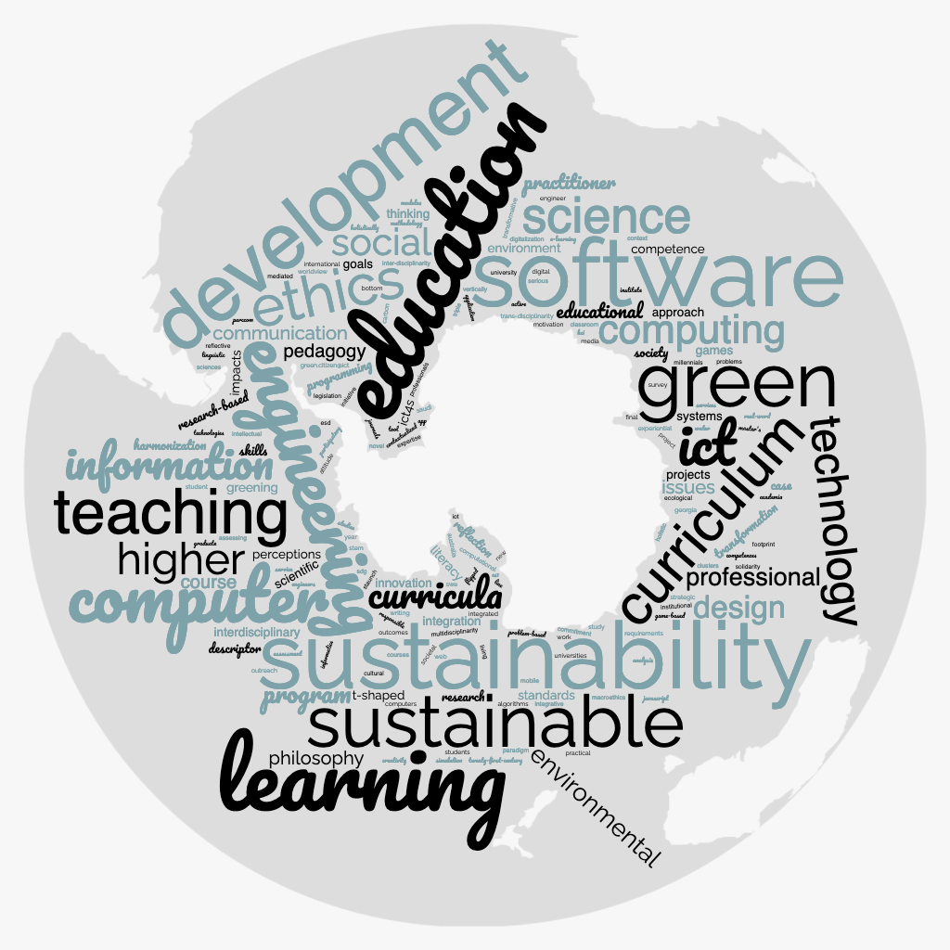
23 | sustainable
22 | engineering
18 | curriculum
15 | software
14 | learning
13 | computing
12 | green
11 | computer
10 | teaching
9 | ethics
9 | ict
8 | science
7 | higher
7 | information
7 | technology
6 | curricula
6 | social
5 | design
4 | environmental
4 | professional
4 | program
3 | communication
3 | course
3 | educational
3 | issues
3 | pedagogy
3 | philosophy
3 | practitioner
2 | approach
2 | case
2 | competence
2 | descriptor
2 | environment
2 | games
2 | goals
2 | greening
2 | harmonization
2 | ict4s
2 | impacts
2 | innovation
2 | integration
2 | interdisciplinary
2 | literacy
2 | perceptions
2 | programming
2 | projects
2 | reflection
2 | research
2 | research-based
2 | scientific
2 | skills
2 | society
2 | standards
2 | systems
2 | t-shaped
2 | thinking
2 | transformation
1 | academia
1 | active
1 | algorithms
1 | analysis
1 | app
1 | application
1 | assessing
1 | assessment
1 | attitude
1 | australia
1 | bottom
1 | carbon
1 | classroom
1 | clusters
1 | commitment
1 | competences
1 | computational
1 | computers
1 | context
1 | contextualized
1 | courses
1 | creativity
1 | cs1
1 | cultural
1 | digital
1 | digitalization
1 | e-learning
1 | ecological
1 | engineer
1 | engineers
1 | esd
1 | experiential
1 | expertise
1 | final
1 | flipped
1 | footprint
1 | game-based
1 | georgia
1 | graduate
1 | green.citizen@ict
1 | hci
1 | holistic
1 | holistically
1 | informatics
1 | initiative
1 | institute
1 | institutional
1 | integrated
1 | integrative
1 | intellectual
1 | inter-disciplinarity
1 | international
1 | iot
1 | javascript
1 | journals
1 | legislation
1 | line
1 | linguistic
1 | living
1 | macroethics
1 | master's
1 | media
1 | mediated
1 | methodology
1 | millennials
1 | mobile
1 | modules
1 | motivation
1 | multidisciplinarity
1 | new
1 | novel
1 | outcomes
1 | outreach
1 | paradigm
1 | participatory
1 | perccom
1 | practical
1 | problem-based
1 | problems
1 | professionals
1 | project
1 | real-word
1 | reflective
1 | requirements
1 | responsible
1 | saudi
1 | sciences
1 | sdg
1 | serious
1 | service
1 | services
1 | simulation
1 | societal
1 | solidarity
1 | staunch
1 | stem
1 | strategic
1 | student
1 | students
1 | studies
1 | study
1 | survey
1 | swe
1 | technologies
1 | tool
1 | trans-disciplinarity
1 | transformative
1 | triple
1 | twenty-first-century
1 | universities
1 | university
1 | vertically
1 | water
1 | web
1 | work
1 | worldview
1 | writing
1 | year

Bibliometric Authors
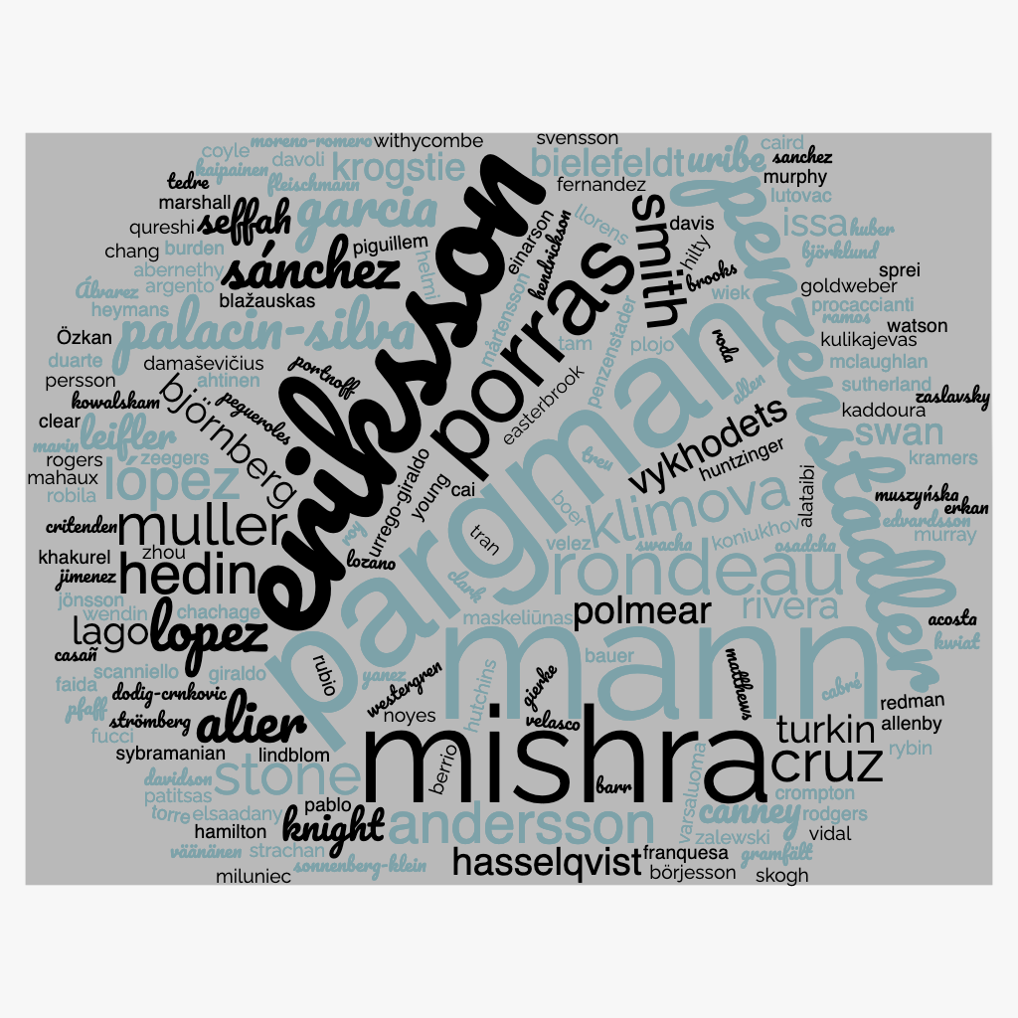
9 | mann
8 | eriksson
8 | pargman
7 | mishra
5 | penzenstadler
5 | porras
4 | rondeau
3 | alier
3 | andersson
3 | cruz
3 | garcia
3 | hedin
3 | klimova
3 | lopez
3 | lópez
3 | muller
3 | palacin-silva
3 | smith
3 | stone
3 | sánchez
2 | bielefeldt
2 | björnberg
2 | canney
2 | hasselqvist
2 | issa
2 | knight
2 | krogstie
2 | lago
2 | leifler
2 | polmear
2 | rivera
2 | seffah
2 | swan
2 | turkin
2 | uribe
2 | vykhodets
1 | abernethy
1 | acosta
1 | ahtinen
1 | alataibi
1 | allen
1 | allenby
1 | argento
1 | barr
1 | bauer
1 | berrio
1 | björklund
1 | blažauskas
1 | boer
1 | brooks
1 | burden
1 | börjesson
1 | cabré
1 | cai
1 | caird
1 | casañ
1 | chachage
1 | chang
1 | clark
1 | clear
1 | coyle
1 | critenden
1 | crompton
1 | damaševičius
1 | davidson
1 | davis
1 | davoli
1 | dodig-crnkovic
1 | duarte
1 | easterbrook
1 | edvardsson
1 | einarson
1 | elsaadany
1 | erkan
1 | faida
1 | fernandez
1 | fleischmann
1 | franquesa
1 | fucci
1 | gierke
1 | giraldo
1 | goldweber
1 | gramfält
1 | hamilton
1 | helmi
1 | hendrickson
1 | heymans
1 | hilty
1 | huber
1 | huntzinger
1 | hutchins
1 | jimenez
1 | jönsson
1 | kaddoura
1 | kaipainen
1 | khakurel
1 | koniukhov
1 | kowalskam
1 | kramers
1 | kulikajevas
1 | kwiat
1 | lindblom
1 | llorens
1 | lozano
1 | lutovac
1 | mahaux
1 | marin
1 | marshall
1 | maskeliūnas
1 | matthews
1 | mclaughlan
1 | miluniec
1 | moreno-romero
1 | murphy
1 | murray
1 | muszyńska
1 | mårtensson
1 | noyes
1 | osadcha
1 | pablo
1 | patitsas
1 | pegueroles
1 | penzenstader
1 | persson
1 | pfaff
1 | piguillem
1 | plojo
1 | portnoff
1 | procaccianti
1 | qureshi
1 | ramos
1 | redman
1 | robila
1 | roda
1 | rodgers
1 | rogers
1 | roy
1 | rubio
1 | rybin
1 | sanchez
1 | scanniello
1 | skogh
1 | sonnenberg-klein
1 | sprei
1 | strachan
1 | strömberg
1 | sutherland
1 | svensson
1 | swacha
1 | sybramanian
1 | tam
1 | tedre
1 | torre
1 | tran
1 | treu
1 | urrego-giraldo
1 | varsaluoma
1 | velasco
1 | velez
1 | vidal
1 | väänänen
1 | watson
1 | wendin
1 | westergren
1 | wiek
1 | withycombe
1 | yanez
1 | young
1 | zalewski
1 | zaslavsky
1 | zeegers
1 | zhou
1 | Álvarez
1 | Özkan

Bibliometric Universities (Visu
KTH Royal Institute of Technology | 9
Otago Polytechnic | 8
LUT University | 4
University of Lorraine | 4
Linköping University | 3
Penn state | 3
Unitec Institute of Technology | 3
Lulea University of Technology | 3
Georgia Institute of Technology | 3
Atilim University | 3
Technische Universität München | 2
Universitat Politècnica de Catalunya | 2
Vrije Universiteit Amsterdam | 2
ITMO University | 2
Universities
National Aerospace University | 2
Norwegian University of Science and Technology | 2
Molde University College | 2
University of Turku | 2
California State University Long Beach | 2
Tufts University | 2
Norwegian University of Science and Technology | 2
The Open University | 1
University of Windsor | 1
Michigan Technoogical University | 1
University of Technology | 1
Tumaini University | 1
University of Texas | 1
Michigan Technological University | 1
Technical University of Catalonia | 1
University of California | 1
Arizona State University | 1
Technische Universitat Munchen | 1
Montclair State University | 1
- | 1
The Military College of South Carolina | 1
Furman University | 1
University of Antioquia | 1
University of South Australia | 1
University of Toronto | 1
Curtin University | 1
Florida Gulf Coast University | 1
Ithaca College | 1
Atilim University | 1
Chalmers University of Technology | 1
Aalborg University | 1
Carleton University | 1
California State University Long Beach | 1
University of Zurich | 1
Pharos University | 1
Tampere University | 1
University of Colorado Boulder | 1
University of Strathclyde | 1
University of Colorado | 1
Universidad Politecnica de Madrid | 1
University of West England | 1
Institución Universitaria Politecnico Grancolombiano | 1
University of Gothenburg | 1
Kristianstad University | 1
King’s College London | 1
Zayed University | 1
Bogdan Khmelnitsky Melitopol State Pedagogical University | 1
Umm Al-Qura University | 1
Univestitat Politècnica de Catalunya | 1
University of Szczecin | 1
Norwegian University of Science and Technology, | 1
Uppsala University | 1
Arizona State University | 1
University of Namur | 1
Utrecht University | 1
National University of Colombia | 1
University of Texas | 1
AUT University of Technology | 1
Vrije Universiteit Amsterdam | 1
Corporación Universitaria Remington | 1
Chalmers University of Technology | 1
University of Copenhagen | 1
Molde University College | 1
University of Southeast Norway | 1
University of Namibia | 1
Umea University | 1
Grinell College | 1
University of Oulu | 1
Lund University | 1
Kaunas University of Technology | 1
American University of Paris | 1
Carnegie Mellon University | 1
ITMO University | 1
LUT University | 1
University of Basilicata | 1
CSIRO | 1
 | 0

